Contract
SALES CONTRACT

 |  |  |  |  | DATE: | 17/06/2025
 |  |  |  | CONTRACT NO.: |  | JFNO
The Seller: | CALIFOR UPHOLSTERY MATERIALS CO.,LTD.
 | XIN BAVET SEZ, Road No. 316A, Trapeang Bon and Prey Kokir Villages, Prey Kokir Commune, Chantrea District,
 | Svay Rieng Province, Kingdom of Cambodia.
TEL: | +855 975910636
The Buyer: | MOTO INNOVATION VIETNAM LIMITED COMPANY
 | Factory C-1B-B1-B and C-1B-B2, Lot C-1B-CN, DE4 Street, My Phuoc 3 Industrial Park, Thoi Hoa Ward, Ben Cat City, Binh Duong Province, Vietnam
 | Contact Person : ZHENGYANYUN Tel: 0274 3803833
After discussion, the both parties agree to sell and purchase the commodities on the following terms and conditions:
1.NAME OF COMMODITY AND SPECIFICATION:
The seller guaranteed the correct color delivery, Commodity, Dimension and quantity as follow:
No. | P.O. Nº | Name of Cormodity | Description | Quantity (SF) | Unit Price (USD) | Total value (USD)
1 | 9000675121 | 01.10.U243040 | LEATHER | 21,063.6000 |  | 21,905.5020
2 | 9000637258 | 01.10.L2007-K |  | 6,690.6000 |  | 5,751.4410
3 | 9000713331 | 01.10.U756043 |  | 15,048.6000 |  | 18,810.7500
4 | 9000711428 | 01.10.U528073 |  | 8,481.6000 |  | 10,558.3680
5 | 9000713316 | 01.10.U528073 |  | 104,533.0000 |  | 130,585.0530
TOTAL:
DAP: | BINH DUONG
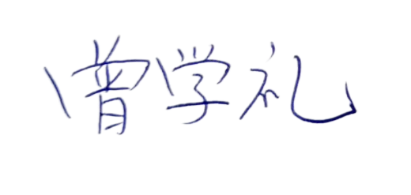
Term of Payment: 100% TT after shipment
Transaction method: DAP(USD)
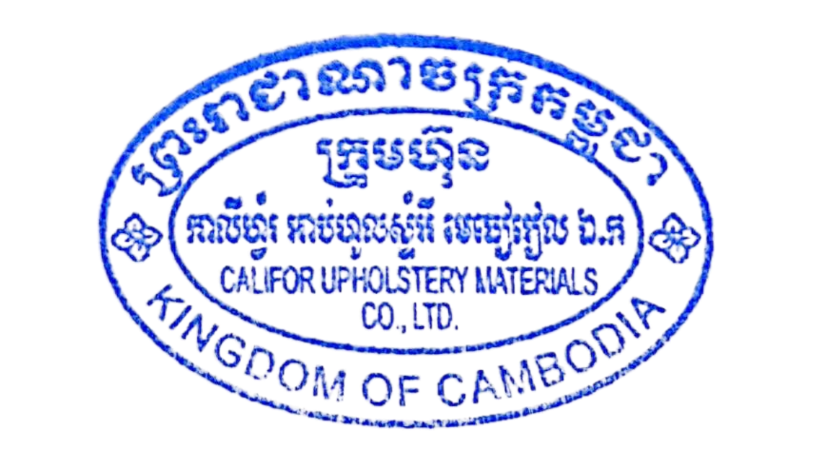
Beneficiary bank information: |  |  |  | CALIFOR UPHOLSTERY MATERIALS CO.,LTD.
Beneficiary Bank' s Name: |  |  |  | BANK OF CHINA(HONG KONG)LIMITED PHNOM PENH BRANCH /BANK OF CHINA PHNOM PENH BRANCH
Bank Address: |  |  |  | 1st AND 2nd FLOOR,CANADIA TOWER,No.315 ANDDUONG ST.,PHNOM PEMH,CAMBODIA.
Bank account : |  |  |  | 100001100764430
SWIFT CODE ： |  |  |  | BKCHKHPPXXX

 | The Buyer: |  |  |  | The Seller:
MOTO INNOVATION VIETNAM LIMITED COMPANY |  |  |  | CALIFOR UPHOLSTERY MATERIALS CO.,LTD.

